Verfication plan
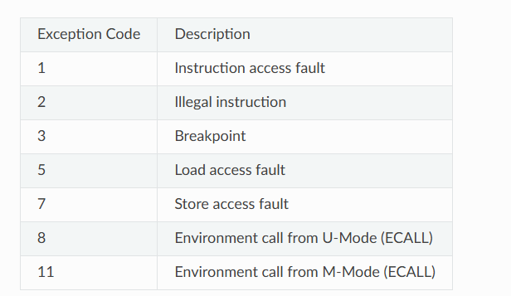
Section no. | Section name | Subsection no. | Subsection name | Item no. | Description | Pass/Fail Criteria | Test Type | Covergroup | progress | status
 |  |  | Basic Mode Configuration | HD-CFG-01 | Core operates in half-duplex. | Core operates in half-duplex; Carrier Sense/Collision signals active when (MODER.FULLD) = 0
 |  |  |  | HD-CFG-02 | TX looped back to RX. | when (MODER.LOOPBACK = 1) carrier sence when it high will not affect.
 |  |  | Carrier Sense /Deferral Tests | HD-CS-01 | TX attempted while media busy (MCrS=1). | Assert MCrS before TxStartFrm. Check TX defers (StateDefer), waits for carrier to clear
 |  |  |  | HD-CS-02 | Carrier sense clears within IPGR1 window. | MCrS deasserted within IPGR1 window; check IPGR counter reset, normal deferral handling per IPGT/IPGR1
 |  |  |  | HD-CS-03 | Carrier sense appears after IPGR1 window. | When MCrS asserted later than IPGR1. Check IPGR counter continues counting (per IPGR1 description)
 |  |  |  | HD-CS-04 | Excessive deferral, EXDFREN=0 | MAC stays in StateDefer beyond excessive deferral limit. Check Packet aborted, TxAbort set, DeferLatched (DF) set in Tx BD
 |  |  |  | HD-CS-05 | Excessive deferral, EXDFREN=1 | MAC stays in StateDefer beyond excessive deferral limit. Check MAC waits indefinitely for carrier (no abort)
 |  |  |  | HD-CS-06 | Carrier sense lost during TX. | MCrS deasserted mid-transmission.CarrierSenseLost (CS) bit set in Tx BD after frame sent
 |  |  | Collision Detection Tests | HD-COL-01 | Collision during preamble/SFD (early collision). | When Assert MColl during preamble TX. TX continues, jam pattern sent, retransmission attempted
 |  |  |  | HD-COL-02 | Normal (valid) collision within COLLVALID window. | When Assert MColl before COLLVALID byte count reached. Check TxRetry asserted, jam pattern (0x99999999) sent, backoff initiated, RetryCnt incremented
 |  |  |  | HD-COL-03 | Late collision (after COLLVALID window). | When Assert MColl after COLLVALID bytes transmitted. Check TxAbort asserted, LateCollLatched (LC) set in Tx BD, RxLateCollision noted in Rx BD if applicable
 |  |  |  | HD-COL-04 | COLLVALID register boundary test.Test the collision happening at exactly byte 63 | Set COLLCONF.COLLVALID = 0x3F (default), trigger collision exactly at boundary. Verify correct classification (valid vs late) at boundary byte
 |  |  |  | HD-COL-05 | Jam pattern verification . | Check MTxD sequence shows 0x99999999 jam pattern after collision detected
 |  |  |  | HD-COL-06 | Verify ColWindow = COLLVALID bytes from preamble | ColWindow asserted during the valid-collision time window per COLLCONF
 |  |  | Retry / Backoff Tests | HD-RTY-01 | Single retransmission after collision . | One collision occurs . Check Frame retransmitted after backoff delay; RetryCnt=1
 |  |  |  | HD-RTY-02 | Multiple collisions, increasing backoff range. | Repeated collisions (1,2,3...n). Check Backoff window grows per Binary Exponential Backoff (eth_random)
 |  |  |  | HD-RTY-03 | Maximum retransmission limit reached. | Collisions count exceeds COLLCONF.MAXRET (default 0xF=15). Check Tx aborted, RetryLimit (RL) bit set in Tx BD
 |  |  |  | HD-RTY-04 | MAXRET boundary test. | MAXRET = 0, collision occurs once . Verify behavior at boundary (immediate abort vs one retry)
 |  |  |  | HD-RTY-05 | RTRY field accuracy. | After successful TX with N retries . Check Tx BD RTRY[3:0] = N
 |  |  |  | HD-RTY-06 | Backoff with NOBCKOF=1. | Collision occurs, NOBCKOF=1 . Check Immediate retransmission with zero backoff delay
 |  |  | Combined FD/HD | CMB-01 | Full-duplex with FULLD=1 ensures collision signals ignored. | Assert MColl/MCrS while FULLD=1. Check No effect on TX/RX state machines
 |  |  |  | CMB-02 | Switch between half/full duplex (after proper reset). | Toggle FULLD bit per NOTE (registers not changed after TXEN/RXEN set). Check Verify correct re-initialization sequence required.
 |  |  |  | CMB-03 | Simultaneous PAUSE reception and collision. | Full-duplex assumption - ensure collision logic inactive when PAUSE processed. No interference between PAUSE handling and (absent) collision logic
 |  |  |  | CMB-04 | Interrupt aggregation under stress. | Generate multiple TX retries, PAUSE frames, collisions in sequence. Check INT_SOURCE bits set correctly without loss; BUSY bit set on buffer-unavailable conditions

